State transition diagram
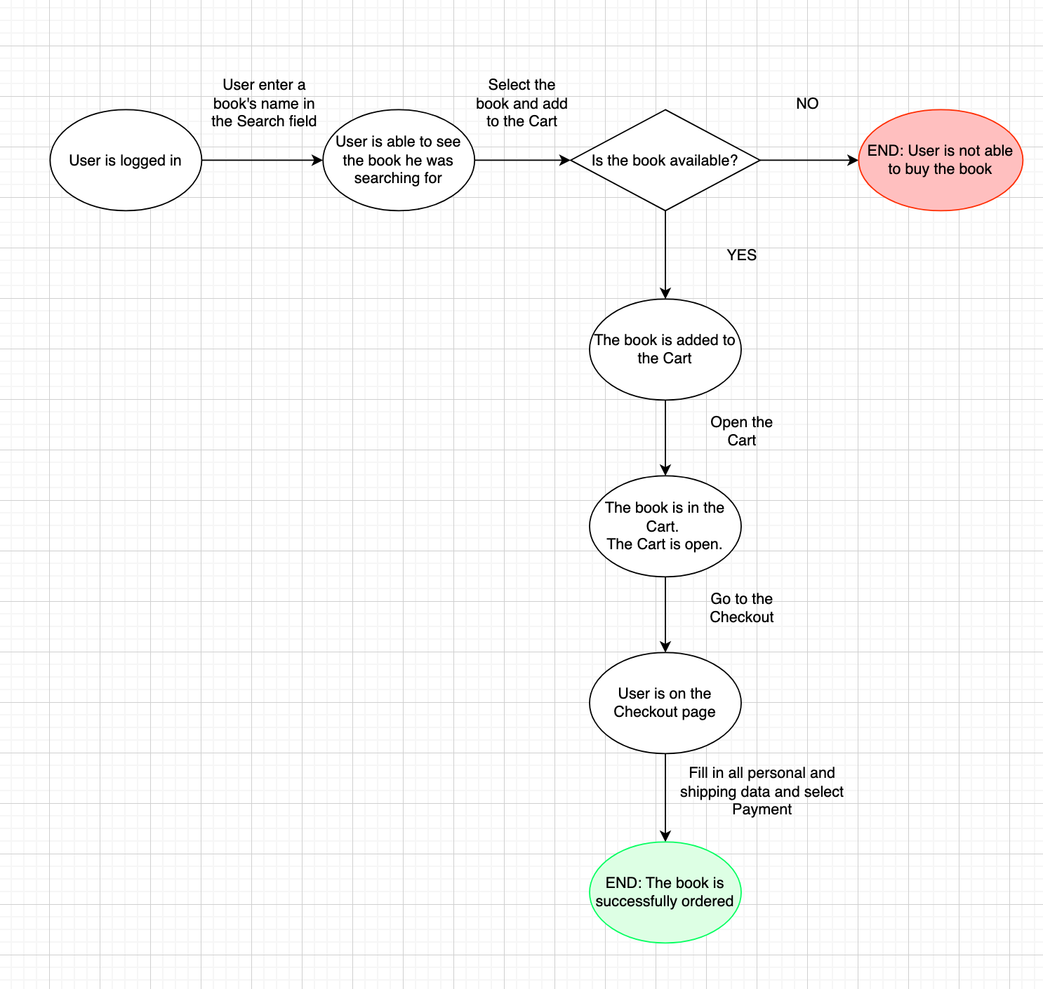
Precondition:
Open a website: https://bookchef.ua/ | The website's home page has opened
State transition diagram
Search for items by name | Book's Name - A Song of Ice and Fire
Add the book to your cart if it is in stock
Add the book to your cart if it is NOT in stock
Verify that the book has been added to your cart
Place your order by filling out all fields and selecting "Cash on Delivery" as the payment method

Use case diagram
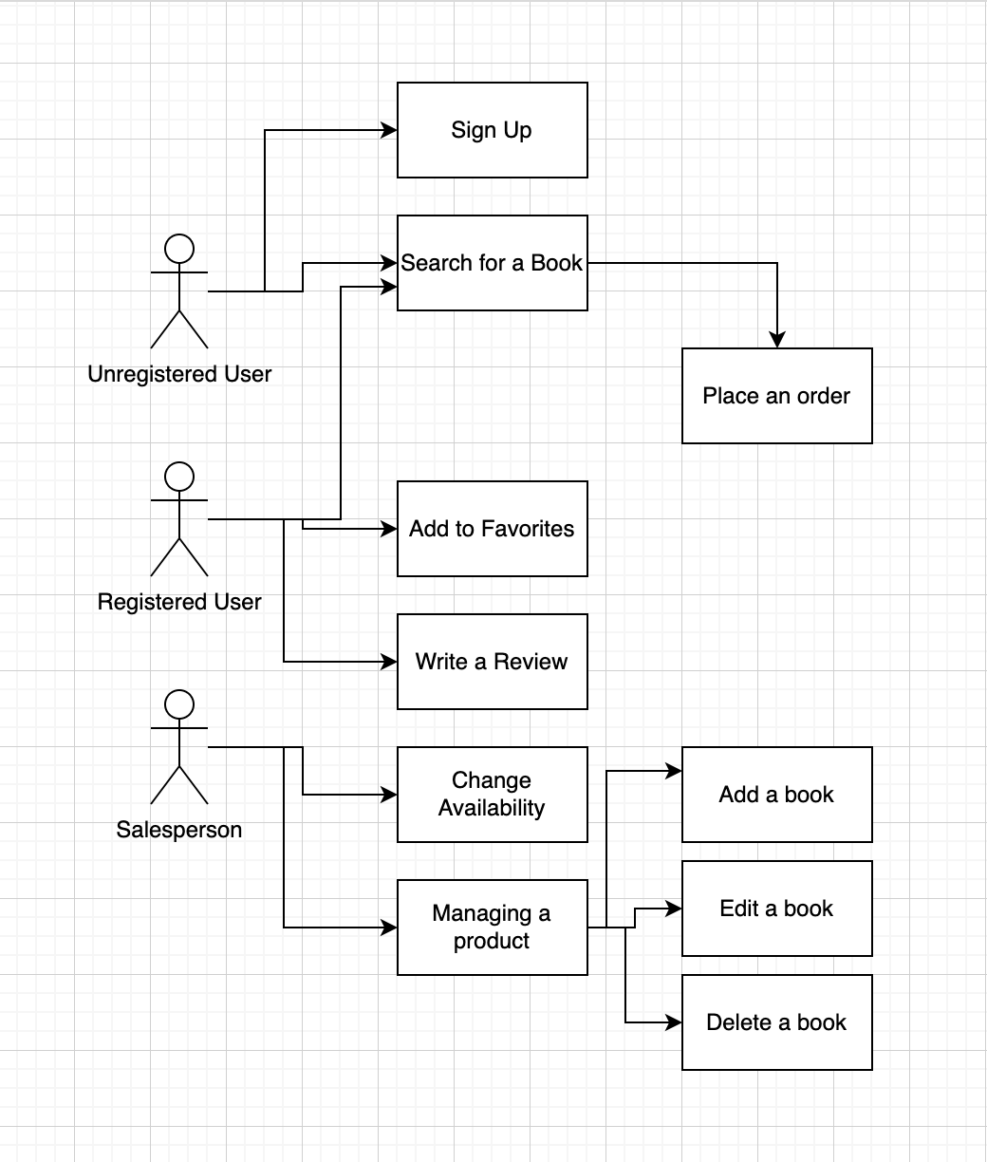
Precondition:
Open a website: https://bookchef.ua/ | The website's home page has opened
Use case diagram
Verify that unregistered user can sign up
Verify that unregistered user can search for a book
Verify that registered user can search for a book
Verify that registered user can add a book to their favorites
Verify that registered user can write a review
Verify that salesperson can add a book
Verify that unregistered users cannot add a book to their favorites
Verify that unregistered users cannot leave a review for a book
Verify that buyers cannot change a book's availability
Verify that sellers cannot process an order

